Checklist 301
Test Case ID: | 301
Test Case Name: | TC_ New Comments page creation - UI
Status: | New
Test Type: | UI
Author: | Ivan Ivanov
Creation Date: | 09/21/2012
Automation: | Not recommended
Priority: | normal
Objective: | To verify that UI for 'New Comments' page corresponds to mock up.
Pre-Conditions and Setup: | The ‘New Comments’ page is opened.
# | Steps | Instructions | Version (Build) #
 |  |  | Status | Comments | Execution Date
1 | Verify the UI controls presence |  | PASS |  | 2017-10-09
 | Verify the UI controls alignment |  | PASS |  | 2017-10-09
 | Verify size and font of labels. |  | PASS |  | 2017-10-09
2 | Verify spelling of labels. |  | PASS |  | 2017-10-09
3 | Verify that 'Comment Text' field is empty by default |  | PASS |  | 2017-10-09
4 | Verify that 'Number’ field is empty by default |  | PASS |  | 2017-10-09
5 | Verify that ‘Active’ checkbox is checked by defaultw |  | PASS |  | 2017-10-09
6 | Verify that status of 'Active' checkbox is changed by click. |  | PASS |  | 2017-10-09
7 | Verify tabulation. |  | PASS |  | 2017-10-09
8 | Verify that all UI controls are visible on the screen after page resizing. | * resize by corresponding button in the top right corner of the form * resize by dragging the corner of window | FAIL | #1 | 2017-10-09
Test Data: | None
Attachments: | 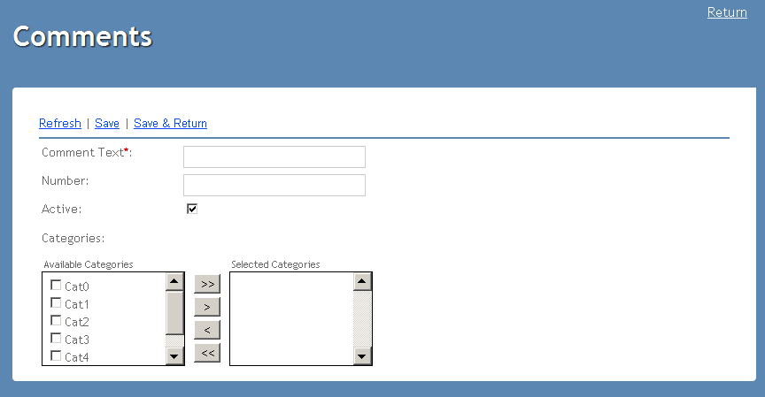 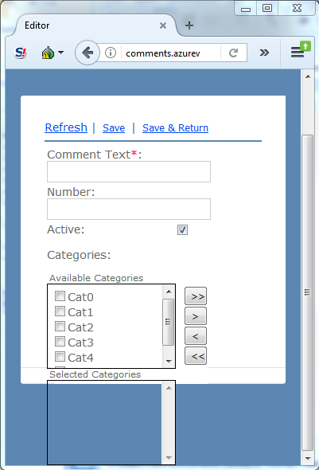

Defects
# | Summary |  | Actual Result | Expected Result | Priority
1 | Problem with background after resizing | After resizing there is no background under 'Selected categories' element. | There is no background under the 'Selected categories' element. | Size of the internal background wil be changed after resizing by dragging the corner of window | low

TC 302
Test Case ID: | 302
Test Case Name: | TC_ New Comments page creation - Functional Save and Save & Return
Status: | New
Test Type: | Functional
Author: | Max Maksimov
Creation Date: | 09/21/2012
Automation: | Recommended
Priority: | High
Objective: | To verify saving new comment by clicking 'Save' or 'Save & Return' buttons.
Pre-Conditions and Setup: | The 'New Comments' page is opened.
Comment: | Example of Detailed Test Case with possibility to set Status for each of steps
# | Steps | Expected Result | Instructions | Version (Build) #
 |  |  |  | Status | Comments | Execution Date
1 | Enter unique correct data to ‘Comment Text’, ‘Number’ fields. |  | ‘Comment Text’ - only aphabetical symbols ‘Number’ - numerical from 0 to 999 | PASS |  | 2017-10-09
2 | Add all categories to ‘Selected Categories’. |  |  | PASS |  | 2017-10-09
3 | Click ‘Save’ button. | 1. ‘Comment Text’, ‘Number’ fields are empty. 2. All categories are in ‘Available categories’ section. 3. ‘Active’ checkbox is checked. |  | PASS |  | 2017-10-09
4 | Go to main page |  | Use link from General sheet to open the main page | PASS |  | 2017-10-09
5 | Verify that new comment created in steps #1-#3 is present in the list of comments | 1. New comment (created in steps #1-#3) is present in the list. 2. Attributes indicated while creating comment ('Comment Text', 'Number', 'Categories') display in the corresponding columns of the grid |  | PASS |  | 2017-10-09
6 | Click 'New...' link | The 'New Comments' page is opened. |  | PASS |  | 2017-10-09
7 | Repeat steps #1 and #2 |  |  | PASS |  | 2017-10-09
8 | Click ‘Save&Return’ button. | The main 'Comments' page is opened |  | PASS |  | 2017-10-09
9 | Verify that new comment created in steps #7-#8 is present in the list of comments | 1. New comment (created in steps #7-#8) is present in the list. 2. Attributes indicated while creating comment ('Comment Text', 'Number', 'Categories') display in the corresponding columns of the grid |  | PASS |  | 2017-10-09
10 | Click 'New...' link | The 'New Comments' page is opened. |  | PASS |  | 2017-10-09
11 | Repeat steps #1 and #2 |  |  | PASS |  | 2017-10-09
12 | Click ‘Save’ button. | 1. ‘Comment Text’, ‘Number’ fields are empty. 2. All categories are in ‘Available categories’ section. 3. ‘Active’ checkbox is checked. |  | PASS |  | 2017-10-09
13 | Repeat steps #1 and #2 |  |  | PASS |  | 2017-10-09
14 | Click ‘Save&Return’ button. | The main 'Comments' page is opened |  | PASS |  | 2017-10-09
15 | Verify that two new comments (created in steps #11-#12 and #13-#14) are present in the list of comments | 1. Two new comments (created in steps #11-#12 and #13-#14) are present in the list. 2. Attributes indicated while creating comment ('Comment Text', 'Number', 'Categories') display in the corresponding columns of the grid |  | PASS |  | 2017-10-09
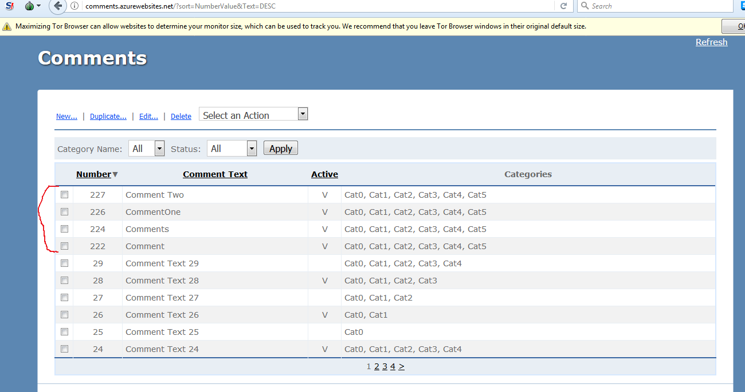
Test Data: | None
Attachments:

Defects
# | Summary | Steps to reproduce |  | Actual Result | Expected Result | Priority

TC 303
Test Case ID: | 303
Test Case Name: | TC_ New Comments page creation - Functional Refresh
Status: | New
Test Type: | Functional
Author: | Sydir Sidorov
Creation Date: | 09/21/2012
Automation: | Recommended
Priority: | High
Objective: | To verify functionality of 'Refresh' button on New Comment page.
Pre-Conditions and Setup: | The 'New Comments' page is opened.
Comment: | Example of Detailed Test Case with possibility to set Status for each of steps
# | Steps | Expected Result | Version (Build) #
 |  |  | Status | Comments | Execution Date
1 | Click ‘Refresh’ button. | Nothing is changed on the page. | PASS |  | 2017-10-09
2 | Enter any data to ‘Comment Text’, ‘Number’ fields. |  | PASS |  | 2017-10-09
3 | Add all categories to ‘Selected Categories’ list box |  | PASS |  | 2017-10-09
4 | Uncheck ‘Active’ checkbox. |  | PASS |  | 2017-10-09
5 | Click ‘Refresh’ button | 1. ‘Comment Text’, ‘Number’ fields are empty. 2. All categories are in ‘Available Categories’ section. 3. ‘Active’ checkbox is checked. | PASS |  | 2017-10-09
Test Data: | None
Attachments: | 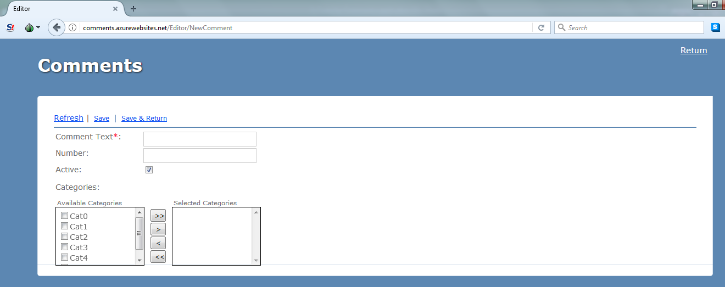

Defects
# | Summary | Steps to reproduce | Actual Result | Expected Result | Priority

TS Fields Validation
Status: | New
Test Type: | Functional
Automation: | Recommended
Priority: | High
Goal: | To verify fields validation on the 'New Comments' page
Comment: | Example of Test Cases where Status is tracked at the Test Case level and can't be tracked for separate steps of Test Case
ID | Test Case Name | Author | Creation Date | Objective | Pre-Condition | Steps | Test data | Instructions | Expected Result | Version (Build) #
 |  |  |  |  |  |  |  |  |  | Execution Status | Comments | Execution Date
1 | 'Comment Text' not empty validation | Ivan Ivanov | 09/21/2012 | Verify that 'Comment Text' field is obligatory while cteating new Comment | 1. Test Case 302 'TC_ New Comments page creating - Functional Save and Save & Return' PASSED 2. The Comments application is opened | 1. Click 'New…' link 2. Click 'Save' or 'Save&Return' link |  |  | 1. The ‘New Comments’ page is still opened. 2. Red label with text ‘The Comment Text field is required’ appears above ‘Comment Text’ field. 3. ‘Comment Text’ field is in red color. | PASS |  | 2017-10-09
2 | 'Comment Text' invalid reserved characters validation | Ivan Ivanov | 09/21/2012 | Verify that 'Comment Text' field can't contain reserved characters (=,/, |, \, *, (, ), _, :, ;, #, %, ^, ?, [, ], etc.). | The Comments application is opened | 1. Click 'New…' link 2. Enter one of reserved characters from Test data in 'Comment Text' field 3. Click 'Save' or 'Save&Return' link | '=' '/' '|' '\' '*' '(' ')' '_' ':' ';' '#' '%' '^' '?' '[' ']' | Repeat Test Case with each of reserved characters listed in Test Data separately | 1. The ‘New Comments’ page is still opened. 2. Red label with text ‘The Comment Text field should contain alphanumeric characters only ’ appears above ‘Comment Text’ field. 3. ‘Comment Text’ field is in red color. | PASS |  | 2017-10-09
3 | 'Comment Text' invalid length validation | Ivan Ivanov | 09/21/2012 | Verify that 'Comment Text' field can't be longer that 50 characters | The Comments application is opened | 1. Click 'New…' link 2. Enter 51-symbols alphanumeric value in 'Comment Text' field 3. Click 'Save' or 'Save&Return' link |  |  | 1. The ‘New Comments’ page is still opened. 2. Red label with text ‘The maximum length of Comment Text field is 50 characters’ appears above ‘Comment Text’ field. 3. ‘Comment Text’ field is in red color. | FAIL | Another text in the message | 2017-10-09 | 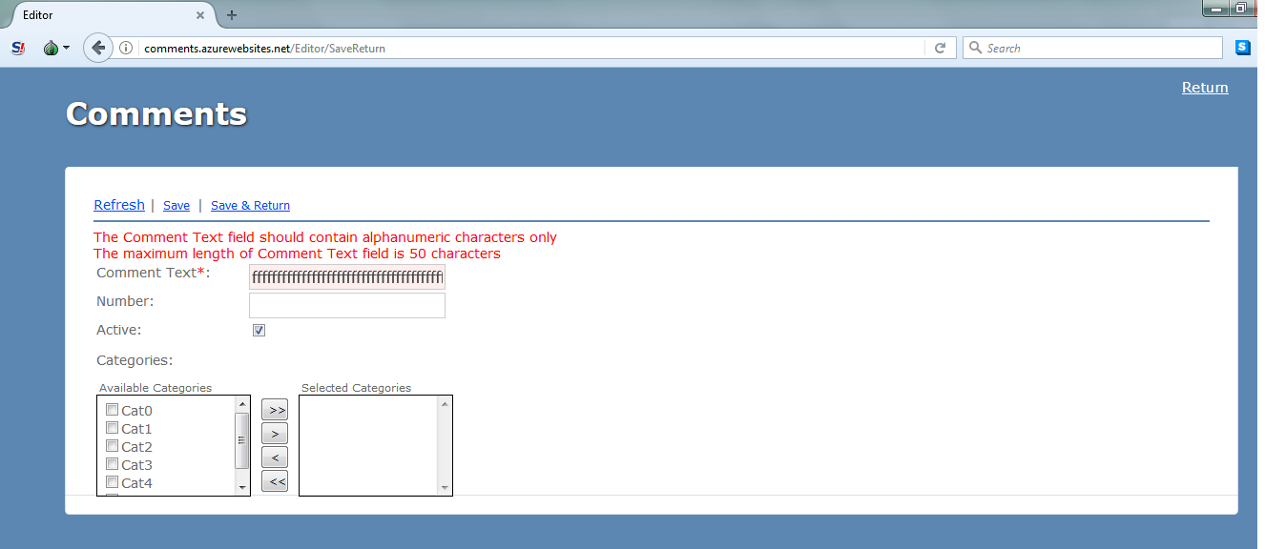
4 | 'Comment Text' allowed value validation | Ivan Ivanov | 09/21/2012 | Verify that 'Comment Text' field accepts valid value | The Comments application is opened | 1. Click 'New…' link 2. Enter unique 50-symbols alphanumeric value in 'Comments Text' field 3. Add all categories to 'Selected Categories' list 4. Click 'Save' or 'Save&Return' link 5. Go to the main page 6. Verify that newly created comment is in the list of comments |  | Use link from General sheet to open the main page | Newly created comment is in the list of comments | PASS |  | 2017-10-09
5 | 'Comment Text' uniqueness validation | Ivan Ivanov | 09/21/2012 | Verify that value in 'Comment Text' field can't be not unique | The Comments application is opened | 1. Click 'Edit...' link 2. Copy value in 'Comment Text' field (Ctrl+C) 3. Go to the main page 4. Click 'New...' link 5. Paste copied value into 'Comment Text' field (Ctrl+V) 6. Click 'Save' or 'Save&Return' link |  | Use link from General sheet to open the main page | 1. The ‘New Comments’ page is still opened. 2. Red label with text ‘Comments already exists’ appears above ‘Comment Text’ field. 3. ‘Comment Text’ field is in red color. | FAIL | Field is not red. | 2017-10-09 | 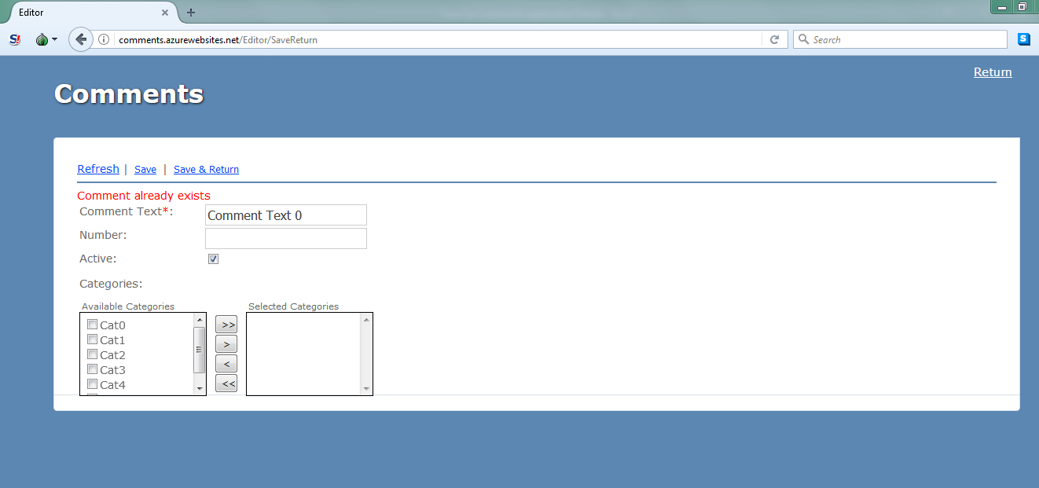
6 | 'Comment Text' case insensitivity validation | Ivan Ivanov | 09/21/2012 | Verify that 'Comment Text' field is case insensitive | The Comments application is opened | 1. Click 'Edit...' link 2. Remember value in 'Comment Text' field 3. Go to the main page 4. Click 'New...' link 5. Enter remembered value from step #2 into 'Comment Text' field in the following way: Capital letters in value #2 print as small ones and vise versa 6. Click 'Save' or 'Save&Return' link |  | Use link from General sheet to open the main page | 1. The ‘New Comments’ page is still opened. 2. Red label with text ‘Comments already exists’ appears above ‘Comment Text’ field. 3. ‘Comment Text’ field is in red color. | FAIL | Another message. Comments must be assigned to at least one category. Please select a category before trying to save this comment again. Is appered. | 2017-10-09 | 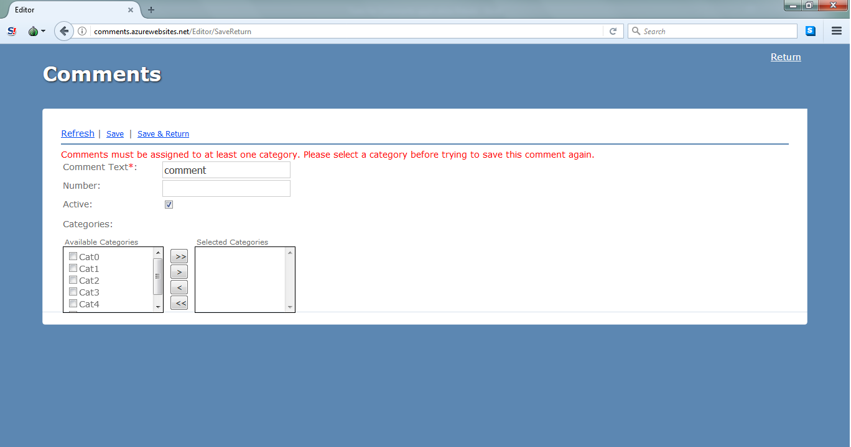
7 | 'Number' numeric validation | Ivan Ivanov | 09/21/2012 | Verify that 'Number' field can't contain alphabetical and reserved characters | The Comments application is opened | 1. Click 'New…' link 2. Enter unique valid data to ‘Comment Text’ 3. Enter alphabetical and reserved characters in 'Number' field 4. Add all categories to 'Selected Categories' list 5. Click 'Save' or 'Save&Return' link |  |  | 1. The ‘New Comments’ page is still opened. 2. Red label with text ‘Number field should contains only digits ’ appears above ‘Comment Text’ field. | FAIL |  | 2017-10-09 | 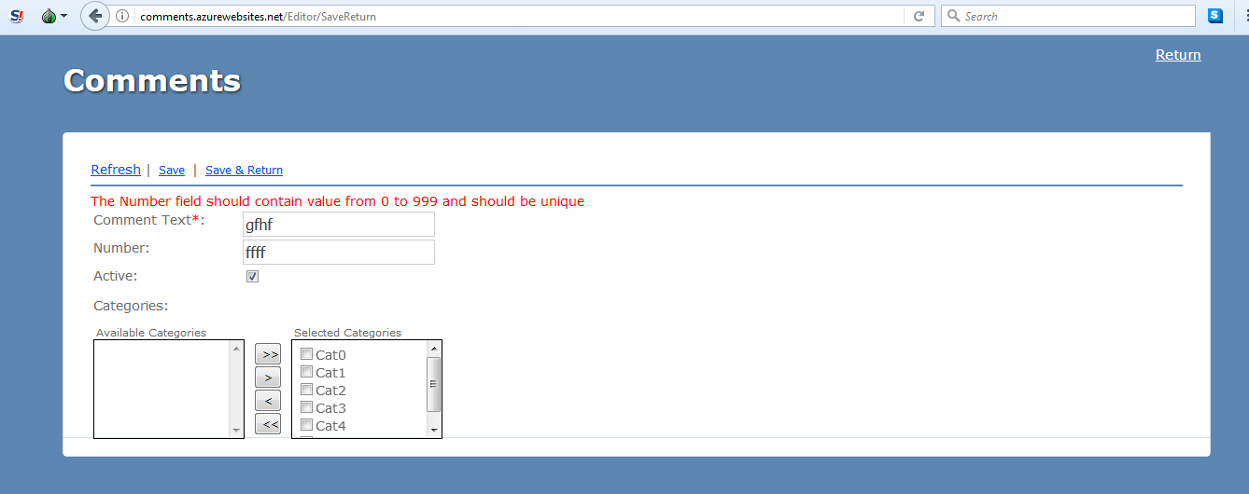
8 | 'Number' invalid length validation | Ivan Ivanov | 09/21/2012 | Verify that 'Number' field can't be bigger than 999 | The Comments application is opened | 1. Click 'New…' link 2. Enter unique valid data to ‘Comment Text’ 3. Enter 4-symbols numerical value in 'Number' field 4. Add all categories to 'Selected Categories' list 5. Click 'Save' or 'Save&Return' link |  |  | 1. The ‘New Comments’ page is still opened. 2. Red label with text ‘The Number field should contain value from 0 to 999’ appears above ‘Comment Text’ field. | PASS |  | 2017-10-09
9 | 'Number' uniqueness validation | Ivan Ivanov | 09/21/2012 | Verify that 'Number' field can't be not unique | The Comments application is opened | 1. Click 'Edit...' link 2. Copy value in 'Number' field (Ctrl+C) 3. Go to the main page 4. Click 'New...' link 5. Enter unique valid data to ‘Comment Text’ 6. Paste copied value into 'Number' field (Ctrl+V) 6. Click 'Save' or 'Save&Return' link |  |  | 1. The ‘New Comments’ page is still opened. 2. Red label with text ‘Number field should be unique of empty’ appears above ‘Comment Text’ field. | FAIL | Another message. The Number field should contain value from 0 to 999 and should be unique is appeared | 2017-10-09 | 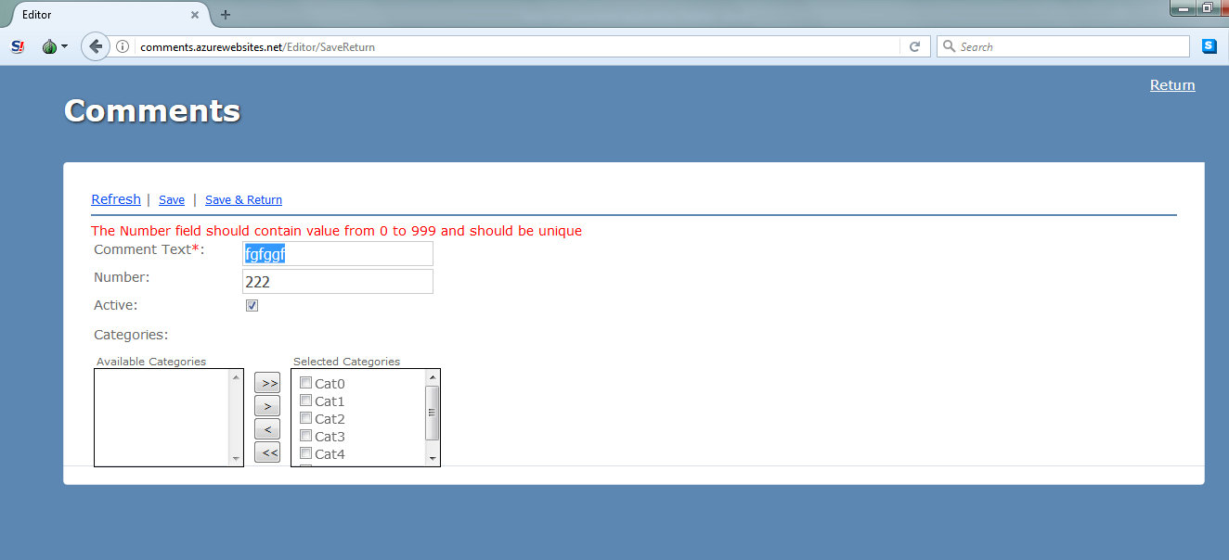
10 | 'Category' not empty validation | Ivan Ivanov | 09/21/2012 | Verify that 'Selected Category' contains at least one category for comment saving | The Comments application is opened | 1. Click 'Edit...' link 2. Enter unique valid data to ‘Comment Text’ 3. Click 'Save' or 'Save&Return' link |  |  | 1. The ‘New Comments’ page is still opened. 2. Red label with text ‘Please, select at least one category’ appears above ‘Comment Text’ field. | FAIL | Another message.Comments must be assigned to at least one category. Please select a category before trying to save this comment again. is appeared | 2017-10-09 | 